Sheet1
 |  |  |  |  | The Fibonacci Number Series and the Golden Mean
©2008, 2000 |  |  |  |  |  | P. LeBel
 | Leonardo Pisano, known as Fibonacci, published a book, Liber Abaci, or the Book of the Abacus,
 | in 1202. Based on a visit to Bugia, in Algeria, Fibonacci discovered the Hindu-Arabic numbering
 | system that Arab mathematicians had introduced into the West during the Crusades of the Middle
 | Ages. The book drew the interest of Holy Roman Emperor Frederick II, who ruled from 1211 to
 | 1250. Although Fibonacci solved problems in algebra and cubic equations put to him by one
 | of Frederick II, and inspired Fibonacci to publish another treatise, Liber Quadratorum, or the
 | Book of Squares, the Liber Abaci remains the best known of Fibonacci's work. It is from this work
 | that we have Fibonacci's famous number series, in which a given number consists of the preceding
 | two numbers in a counting series. If we take the ratio of the current number to its previous value,
 | we eventually derive a stable ratio of 1.618, and whose reciprocal is .618. These proportions are
 | found in such buildings as the Parthenon, playing cards, human anatomy, and in biological forms,
 | and they have become known as the golden ratio. It was the ideal proportionality rule used by
 | Leonardo da Vinci (1452-1519), and others all the way down to the Swiss-French architect Le Corbusier
 | (1887-1965). So how was it that Phidias (480-430 B.C.), architect of the Parthenon, was able to apply
 | the golden ratio before Fibonacci derived its mathematical form, and why does it appear so regularly
 | in natural forms such as plants and sea shells?

The Fibonacci Series 7
 |  | Fibonacci Series | Golden Ratios
 |  | A. | B. | C.
 | 1 | 1
 | 2 | 2 | 2.0000 | 0.5000
 | 3 | 3 | 1.5000 | 0.6667
 | 4 | 5 | 1.6667 | 0.6000
 | 5 | 8 | 1.6000 | 0.6250
 | 6 | 13 | 1.6250 | 0.6154
 | 7 | 21 | 1.6154 | 0.6190
 | 8 | 34 | 1.6190 | 0.6176
 | 9 | 55 | 1.6176 | 0.6182
 | 10 | 89 | 1.6182 | 0.6180
 | 11 | 144 | 1.6180 | 0.6181
The Fibonacci Series - 23
 | 12 | 233 | 1.6181 | 0.6180
 | 13 | 377 | 1.6180 | 0.6180
 | 14 | 610 | 1.6180 | 0.6180
 | 15 | 987 | 1.6180 | 0.6180
 | 16 | 1,597 | 1.6180 | 0.6180
 | 17 | 2,584 | 1.6180 | 0.6180
 | 18 | 4,181 | 1.6180 | 0.6180
 | 19 | 6,765 | 1.6180 | 0.6180
 | 20 | 10,946 | 1.6180 | 0.6180
 | 21 | 17,711 | 1.6180 | 0.6180
 | 22 | 28,657 | 1.6180 | 0.6180
 | 23 | 46,368 | 1.6180 | 0.6180
 | 24 | 75,025 | 1.6180 | 0.6180
 | 25 | 121,393 | 1.6180 | 0.6180
 | A. | Fibonacci Series, Xt = (Xt-1)+(Xt-2)
 | B. | Golden Mean, GMR =( Xt)/(Xt-1)
 | C. | Inverse Golden Ratio, (1)/(GMR )=(Xt-1)/( Xt)
Golden Mean Proportions



 |  |  |  | The Parthenon of Greek Architect Phidias



 |  |  | Ideal Proportions in Leonardo da Vinci's Notebooks
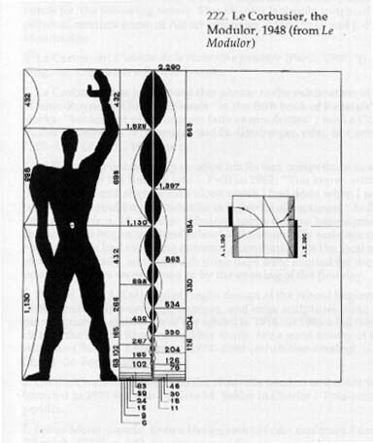

 |  |  | Le Modulor golden ratio used by Le Corbusier

