Data
Number of U.S. Bank Failures
1934 | 9
1935 | 25
1936 | 69
1937 | 75
1938 | 74
1939 | 60
1940 | 43
1941 | 15
1942 | 20
1943 | 5
1944 | 2
1945 | 1
1946 | 1
1947 | 5
1948 | 3
1949 | 4
1950 | 4
1951 | 2
1952 | 3
1953 | 2
1954 | 2
1955 | 5
1956 | 2
1957 | 1
1958 | 3
1959 | 3
1960 | 1
1961 | 5
1962 | 1
1963 | 2
1964 | 3
1965 | 5
1966 | 7
1967 | 4
1968 | 3
1969 | 9
1970 | 7
1971 | 7
1972 | 2
1973 | 6
1974 | 4
1975 | 13
1976 | 17
1977 | 6
1978 | 7
1979 | 10
1980 | 22
1981 | 40
1982 | 119
1983 | 99
...
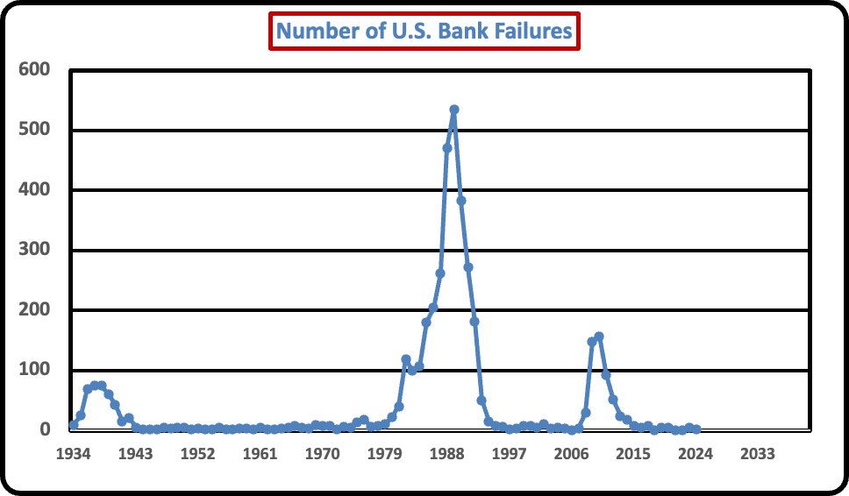
 | Number | 2023 Prices, $millions | 2023=100 | 1982-84=100 | historical value$milions
1934 | 9 | $11,358.31 | 23.43 | 13.39 | $2,661.00
1935 | 25 | $53,939.94 | 22.85 | 13.73 | $12,324.00
1936 | 69 | $57,114.87 | 22.63 | 13.86 | $12,927.00
1937 | 75 | $88,275.42 | 21.85 | 14.36 | $19,284.00
1938 | 74 | $62,518.32 | 22.26 | 14.09 | $13,919.00
1939 | 60 | $194,483.38 | 22.58 | 13.89 | $43,923.00
1940 | 43 | $35,596.26 | 22.36 | 14.03 | $7,959.00
1941 | 15 | $83,633.31 | 21.30 | 14.73 | $17,811.00
1942 | 20 | $8,324.12 | 19.25 | 16.3 | $1,602.00
1943 | 5 | $77,533.39 | 18.13 | 17.3 | $14,059.00
1944 | 2 | $11,770.81 | 17.82 | 17.6 | $2,098.00
1945 | 1 | $36,677.31 | 17.43 | 18 | $6,392.00
1946 | 1 | $2,186.35 | 16.05 | 19.54 | $351.00
1947 | 5 | $48,411.95 | 14.04 | 22.34 | $6,798.00
1948 | 3 | $79,525.15 | 13.03 | 24.08 | $10,360.00
1949 | 4 | $34,448.53 | 13.15 | 23.85 | $4,531.00
1950 | 4 | $30,743.07 | 13.03 | 24.08 | $4,005.00
1951 | 2 | $25,259.64 | 12.07 | 25.98 | $3,050.00
1952 | 3 | $20,219.43 | 11.82 | 26.55 | $2,389.00
Constant 2023 Dollar Value of Failed Bank Assets
1934 | $11,358.31
1935 | $53,939.94
1936 | $57,114.87
1937 | $88,275.42
1938 | $62,518.32
1939 | $194,483.38
1940 | $35,596.26
1941 | $83,633.31
1942 | $8,324.12
1943 | $77,533.39
1944 | $11,770.81
1945 | $36,677.31
1946 | $2,186.35
1947 | $48,411.95
1948 | $79,525.15
1949 | $34,448.53
1950 | $30,743.07
1951 | $25,259.64
1952 | $20,219.43
1953 | $160,407.22
1954 | $9,751.24
1955 | $50,794.39
1956 | $111,891.86
1957 | $11,243.92
1958 | $82,095.71
1959 | $26,576.02
1960 | $70,873.17
1961 | $93,652.01
1962 | $0.00
1963 | $255,532.70
1964 | $255,690.02
1965 | $591,062.10
1966 | $1,260,753.61
1967 | $127,691.67
1968 | $279,056.29
1969 | $509,326.99
1970 | $769,462.82
1971 | $2,537,786.24
1972 | $17,637,332.69
1973 | $18,557,674.50
1974 | $60,111,527.86
1975 | $7,207,603.49
1976 | $18,864,413.06
1977 | $4,494,326.81
1978 | $20,666,659.49
1979 | $3,076,483.30
1980 | $250,562,481.46
1981 | $509,891,298.23
1982 | $1,225,416,584.90
1983 | $549,287,818.22
...
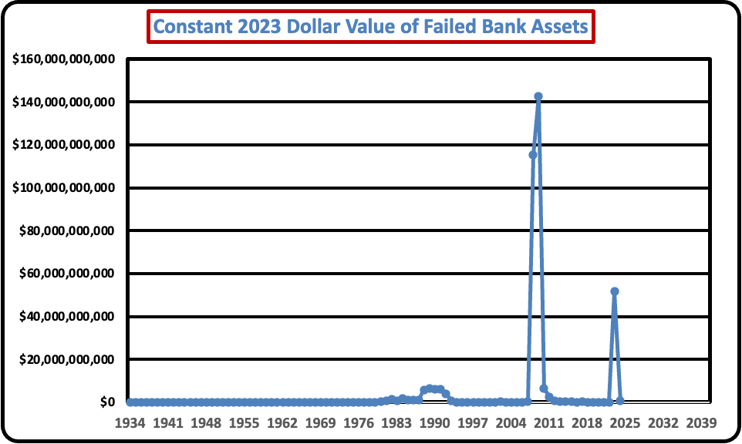
1953 | 2 | $160,407.22 | 11.73 | 26.75 | $18,811.00
1954 | 2 | $9,751.24 | 11.67 | 26.88 | $1,138.00
1955 | 5 | $50,794.39 | 11.71 | 26.78 | $5,950.00
1956 | 2 | $111,891.86 | 11.54 | 27.18 | $12,914.00
1957 | 1 | $11,243.92 | 11.14 | 28.15 | $1,253.00
1958 | 3 | $82,095.71 | 10.85 | 28.92 | $8,905.00
1959 | 3 | $26,576.02 | 10.76 | 29.16 | $2,859.00
1960 | 1 | $70,873.17 | 10.59 | 29.62 | $7,506.00
1961 | 5 | $93,652.01 | 10.48 | 29.92 | $9,819.00
1962 | 1 | $0.00 | 10.37 | 30.26 | $0.00
1963 | 2 | $255,532.70 | 10.24 | 30.62 | $26,179.00
1964 | 3 | $255,690.02 | 10.11 | 31.03 | $25,849.00
1965 | 5 | $591,062.10 | 9.94 | 31.56 | $58,750.00
1966 | 7 | $1,260,753.61 | 9.66 | 32.46 | $121,841.00
1967 | 4 | $127,691.67 | 9.39 | 33.4 | $11,993.00
1968 | 3 | $279,056.29 | 9.01 | 34.8 | $25,155.00
1969 | 9 | $509,326.99 | 8.55 | 36.67 | $43,571.00
1970 | 7 | $769,462.82 | 8.08 | 38.84 | $62,147.00
1971 | 7 | $2,537,786.24 | 7.74 | 40.51 | $196,519.00
1972 | 2 | $17,637,332.69 | 7.50 | 41.85 | $1,322,054.00
1973 | 6 | $18,557,674.50 | 7.06 | 44.45 | $1,309,675.00
1974 | 4 | $60,111,527.86 | 6.36 | 49.33 | $3,822,596.00
1975 | 13 | $7,207,603.49 | 5.83 | 53.84 | $419,950.00
1976 | 17 | $18,864,413.06 | 5.51 | 56.94 | $1,039,292.00
1977 | 6 | $4,494,326.81 | 5.18 | 60.61 | $232,612.00
1978 | 7 | $20,666,659.49 | 4.81 | 65.22 | $994,034.00
1979 | 10 | $3,076,483.30 | 4.32 | 72.57 | $132,987.00
1980 | 22 | $250,562,481.46 | 3.81 | 82.38 | $9,541,266.00
1981 | 40 | $509,891,298.23 | 3.45 | 90.93 | $17,590,661.00
1982 | 119 | $1,225,416,584.90 | 3.25 | 96.5 | $39,835,309.00
1983 | 99 | $549,287,818.22 | 3.15 | 99.6 | $17,300,250.00
1984 | 106 | $1,622,915,330.45 | 3.02 | 103.9 | $48,999,547.00
1985 | 180 | $1,121,009,946.64 | 2.92 | 107.6 | $32,682,024.00
1986 | 204 | $881,118,064.89 | 2.86 | 109.6 | $25,219,432.00
1987 | 262 | $885,488,457.82 | 2.76 | 113.6 | $24,452,109.00
1988 | 470 | $5,731,356,387.96 | 2.65 | 118.3 | $151,979,293.00
1989 | 534 | $6,488,308,557.91 | 2.53 | 124 | $164,142,695.00
1990 | 382 | $6,112,541,783.72 | 2.40 | 130.7 | $146,709,421.00
1991 | 271 | $6,231,421,403.13 | 2.30 | 136.2 | $143,523,086.00
1992 | 181 | $4,006,783,072.96 | 2.24 | 140.3 | $89,588,014.00
1993 | 50 | $533,303,290.11 | 2.17 | 144.5 | $11,577,590.00
1994 | 15 | $75,621,173.80 | 2.12 | 148.2 | $1,600,689.00
1995 | 8 | $59,558,464.89 | 2.06 | 152.4 | $1,225,943.00
1996 | 6 | $11,635,482.09 | 2.00 | 156.9 | $232,634.00
1997 | 1 | $1,428,648.41 | 1.95 | 160.5 | $27,923.00
1998 | 3 | $15,080,999.56 | 1.92 | 163 | $290,238.00
1999 | 8 | $84,558,616.06 | 1.88 | 166.6 | $1,592,189.00
2000 | 7 | $22,515,142.59 | 1.82 | 172.2 | $410,160.00
2001 | 4 | $102,848,502.70 | 1.77 | 177.1 | $1,821,760.00
2002 | 11 | $164,745,177.85 | 1.74 | 179.9 | $2,872,720.00
2003 | 3 | $55,565,010.93 | 1.70 | 184 | $947,317.00
2004 | 4 | $10,242,877.26 | 1.66 | 188.9 | $170,099.00
2005 | 3 | $0.00 | 1.61 | 195.3 | $0.00
2006 | 0 | $0.00 | 1.56 | 201.6 | $0.00
2007 | 3 | $172,834,755.57 | 1.51 | 207.34 | $2,614,928.00
2008 | 30 | $115,165,127,974.10 | 1.46 | 215.3 | $1,677,987,474.00
2009 | 148 | $142,744,305,264.05 | 1.46 | 214.54 | $2,087,191,343.00
2010 | 157 | $6,401,077,623.47 | 1.44 | 218.06 | $92,084,988.00
2011 | 92 | $2,504,185,218.01 | 1.39 | 224.94 | $34,922,997.00
2012 | 51 | $850,253,086.51 | 1.37 | 229.59 | $11,617,348.00
2013 | 24 | $448,846,381.22 | 1.35 | 232.96 | $6,044,051.00
2014 | 18 | $219,874,752.22 | 1.33 | 236.74 | $2,913,503.00
2015 | 8 | $484,783,489.22 | 1.32 | 237.02 | $6,416,151.00
2016 | 5 | $21,207,164.80 | 1.31 | 240.01 | $277,182.00
2017 | 8 | $397,081,069.51 | 1.28 | 245.12 | $5,081,737.00
2018 | 0 | $0.00 | 1.25 | 251.11 | $0.00
2019 | 4 | $14,020,151.27 | 1.23 | 255.66 | $172,029.00
2020 | 4 | $37,537,672.11 | 1.21 | 258.81 | $454,986.00
2021 | 0 | $0.00 | 1.16 | 270.97 | $0.00
2022 | 0 | $0.00 | 1.07 | 292.66 | $0.00
2023 | 5 | $51,696,216,856.72 | 1.03 | 304.7 | $532,228,416.00
2024 | 2 | $597,404,000.00 | 1.00 | 313.698 | $5,974,040.00
2025
2026
2027
2028
2029
2030
2031
2032
2033
2034
2035
2036
2037
2038
2039
2040
2041
2042
2043
2044
2045
2046
2047
2048
2049
2050

